Example
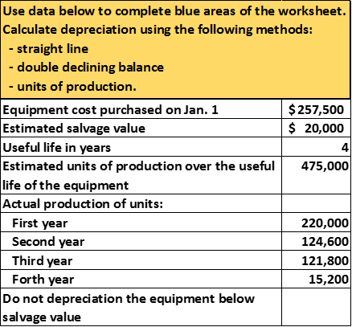
Units of Production
 |  |  | Year 1 | Year 2 | Year 3 | Year 4 |  | Accounts | Debit | (Credit) | Accounts | Year 1 | Year 2 | Year 3 | Year 4
Estimated cost per unit |  | Depreciation | 110,000 | 62,300 | 60,900 | 4,300 | Year 1 | Depreciation expense | 110,000 |  | Cash | 50,000 | 150,000 | 250,000 | 350,000
Cost | 257,500 | Book value: |  |  |  |  |  | Acc. Depre - Equip. |  | (110,000) | Accounts Receivable | 30,000 | 30,000 | 30,000 | 30,000
(less) salvage value | 20,000 | Cost | 257,500 | 257,500 | 257,500 | 257,500 |  |  |  |  | Equipment | 257,500 | 257,500 | 257,500 | 257,500
Amount to be depreciated | 237,500 | (less) accumulated depreciation | 110,000 | 172,300 | 233,200 | 237,500 | Year 2 | Depreciation expense | 62,300 |  | Acc. Depre - Equip. | (110,000) | (172,300) | (233,200) | (237,500)
(/) estimated units to be produced over live | 475,000 | (=) book value | 147,500 | 85,200 | 24,300 | 20,000 |  | Acc. Depre - Equip. |  | (62,300) | Accounts Payable | (10,000) | (10,000) | (10,000) | (10,000)
(=) depreciation per unit | 0.50 |  |  |  |  |  |  |  |  |  | Owner Capital | (227,500) | (217,500) | (255,200) | (294,300)
Year 1 |  |  |  |  |  |  | Year 3 | Depreciation expense | 60,900 |  | Revenue, income or sales | (100,000) | (100,000) | (100,000) | (100,000)
Units produced in year 1 | 220,000 |  |  |  |  |  |  | Acc. Depre - Equip. |  | (60,900) | Depreciation expense | 110,000 | 62,300 | 60,900 | 4,300
(*) depreciation per unit | 0.50 |  |  |  |  |  |  |  |  |  | Total Debits - Total (credits) | 0 | 0 | 0 | 0
(=) depreciation year 1 | 110,000 | textbook explaination is better |  |  |  |  | Year 4 | Depreciation expense | 4,300 |  | Net Income | 10,000 | (37,700) | (39,100) | (95,700)
Year 2 |  |  |  |  |  |  |  | Acc. Depre - Equip. |  | (4,300)
Units produced in year 2 | 124,600
(*) depreciation per unit | 0.50
(=) depreciation year 2 | 62,300
Year 3
Units produced in year 3 | 121,800
(*) depreciation per unit | 0.50
(=) depreciation year 3 | 60,900
Year 4 Alternative method
Cost | 257,500
(less) salvage value | 20,000
Amount to be depreciated | 237,500
(less) accumulated depreciation to date | 233,200
(=) depreciation year 4 | 4,300

